Sample Data
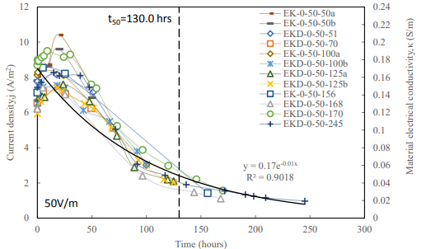

1 | 2 | Computed | 3 | 4 | 5 | Computed | Computed | Computed | Computed | 6 | 7 | 8 | 9 | 10 | 11 | 12 | 13 | 14 | 15 | 16 | 17 | 18 | 19 | 20 | 21 | 22 | 23 | 24 | 25 | 26 | 27 | 28 | 29 | 30 | 31 | 32 | 33 | 34 | 35 | 36 | 37 | 38 | 39 | 40 | 41 | 42 | 43 | 44 | 45 | 46 | 47 | 48 | 49 | 50 | 51 | 52 | 53 | 54 | 55 | 56 | 57 | 58 | 59 | 60 | 61 | 62 | 63 | 64 | 65 | 66 | 67 | 68 | 69 | 70 | 71 | 72 | 73 | 74 | 75 | 76 | 77 | 78 | 79 | 80 | 81 | 82 | 83 | 84 | 85 | 86 | 87 | 88 | 89 | 90 | 91 | 92 | 93 | 94 | 95 | 96 | 97 | 98 | 99 | 100 | 101 | 102 | 103 | 104 | 105 | 106 | 107 | 108 | 109 | 110 | 111 | 112 | 113 | 114 | 115 | 116 | 117 | 118 | 119 | 120 | 121 | 122 | 123 | 124 | 125 | 126 | 127 | 128 | 129
Date | Time | Elapsed Time | DC VOLTS | DC CURRENT | POWER | Conductivity | Current Density | Water Cap Depth | Electrode Sep | E1 | I1IN | I1OUT | E2 | I2IN | I2OUT | E3 | I3IN | I3OUT | E4 | I4IN | I4OUT | E5 | I5IN | I5OUT | E6 | I6IN | I6OUT | E7 | I7IN | I7OUT | E8 | I8IN | I8OUT | WCAPkPa1 | WCAPkPa2 | WCAPkPa3 | WCAPkPa4 | WCAPkPa5 | WCAPkPa6 | WCAPkPa7 | WCAPkPa8 | WCAPkPa9 | WCAPkPa10 | WCAPkPa11 | WCAPkPa12 | FFTkPa0101 | FFTkPa0102 | FFTkPa0103 | FFTkPa0104 | FFTkPa0201 | FFTkPa0202 | FFTkPa0203 | FFTkPa0204 | FFTkPa0301 | FFTkPa0302 | FFTkPa0303 | FFTkPa0304 | FFTkPa0401 | FFTkPa0402 | FFTkPa0403 | FFTkPa0404 | FFTkPa0501 | FFTkPa0502 | FFTkPa0503 | FFTkPa0504 | FFTkPa0601 | FFTkPa0602 | FFTkPa0603 | FFTkPa0604 | FFTkPa0701 | FFTkPa0702 | FFTkPa0703 | FFTkPa0704 | FFTkPa0801 | FFTkPa0802 | FFTkPa0803 | FFTkPa0804 | FFTkPa0901 | FFTkPa0902 | FFTkPa0903 | FFTkPa0904 | FFTkPa1001 | FFTkPa1002 | FFTkPa1003 | FFTkPa1004 | FFTkPa1101 | FFTkPa1102 | FFTkPa1103 | FFTkPa1104 | FFTkPa1201 | FFTkPa1202 | FFTkPa1203 | FFTkPa1204 | Straincmpercm01 | Straincmpercm02 | Straincmpercm03 | Straincmpercm04 | Straincmpercm05 | Straincmpercm06 | Straincmpercm07 | Straincmpercm08 | FFTVolt0101 | FFTVolt0102 | FFTVolt0103 | FFTVolt0104 | FFTVolt0201 | FFTVolt0202 | FFTVolt0203 | FFTVolt0204 | FFTVolt0301 | FFTVolt0302 | FFTVolt0303 | FFTVolt0304 | FFTVolt0401 | FFTVolt0402 | FFTVolt0403 | FFTVolt0404 | FFTVolt0501 | FFTVolt0502 | FFTVolt0503 | FFTVolt0504 | FFTVolt0601 | FFTVolt0602 | FFTVolt0603 | FFTVolt0604 | FFTVolt0701 | FFTVolt0702 | FFTVolt0703 | FFTVolt0704 | FFTVolt0801 | FFTVolt0802 | FFTVolt0803 | FFTVolt0804
 |  | Hours | Volts | Amps | Watts | S/m | A/m2 | m | m | Volts | Amps | Amps | Volts | Amps | Amps | Volts | Amps | Amps | Volts | Amps | Amps | Volts | Amps | Amps | Volts | Amps | Amps | Volts | Amps | Amps | Volts | Amps | Amps | kPa | kPa | kPa | kPa | kPa | kPa | kPa | kPa | kPa | kPa | kPa | kPa | kPa | kPa | kPa | kPa | kPa | kPa | kPa | kPa | kPa | kPa | kPa | kPa | kPa | kPa | kPa | kPa | kPa | kPa | kPa | kPa | kPa | kPa | kPa | kPa | kPa | kPa | kPa | kPa | kPa | kPa | kPa | kPa | kPa | kPa | kPa | kPa | kPa | kPa | kPa | kPa | kPa | kPa | kPa | kPa | kPa | kPa | kPa | kPa | cm/cm | cm/cm | cm/cm | cm/cm | cm/cm | cm/cm | cm/cm | cm/cm | Volts | Volts | Volts | Volts | Volts | Volts | Volts | Volts | Volts | Volts | Volts | Volts | Volts | Volts | Volts | Volts | Volts | Volts | Volts | Volts | Volts | Volts | Volts | Volts | Volts | Volts | Volts | Volts | Volts | Volts | Volts | Volts
15-Jul-19 | 12:00:00 | 0.0 | 100.0 | 340.0 | 34,000 | 0.17 | 6.8 | 3.0 | 2.0 | 40.0 | 17.0 |  | 50.0 | 17.0 |  | 50.0 | 17.0 |  | 50.0 | 17.0 |  | 50.0 | 17.0 |  | 50.0 | 17.0 |  | 50.0 | 17.0 |  | 50.0 | 17.0
15-Jul-19 | 16:00:00 | 4.0 | 100.0 | 340.0 | 34,000 | 0.16 | 6.5 | 3.0 | 2.0 | 40.0 | 17.0 |  | 50.0 | 17.0 |  | 50.0 | 17.0 |  | 50.0 | 17.0 |  | 50.0 | 17.0 |  | 50.0 | 17.0 |  | 50.0 | 17.0 |  | 50.0 | 17.0
15-Jul-19 | 20:00:00 | 8.0 | 100.0 | 340.0 | 34,000 | 0.16 | 6.3 | 3.0 | 2.0 | 40.0 | 17.0 |  | 50.0 | 17.0 |  | 50.0 | 17.0 |  | 50.0 | 17.0 |  | 50.0 | 17.0 |  | 50.0 | 17.0 |  | 50.0 | 17.0 |  | 50.0 | 17.0
16-Jul-19 | 0:00:00 | 12.0 | 100.0 | 340.0 | 34,000 | 0.15 | 6.0 | 3.0 | 2.0 | 40.0 | 17.0 |  | 50.0 | 17.0 |  | 50.0 | 17.0 |  | 50.0 | 17.0 |  | 50.0 | 17.0 |  | 50.0 | 17.0 |  | 50.0 | 17.0 |  | 50.0 | 17.0
16-Jul-19 | 4:00:00 | 16.0 | 100.0 | 340.0 | 34,000 | 0.14 | 5.8 | 3.0 | 2.0 | 40.0 | 17.0 |  | 50.0 | 17.0 |  | 50.0 | 17.0 |  | 50.0 | 17.0 |  | 50.0 | 17.0 |  | 50.0 | 17.0 |  | 50.0 | 17.0 |  | 50.0 | 17.0
16-Jul-19 | 8:00:00 | 20.0 | 100.0 | 340.0 | 34,000 | 0.14 | 5.6 | 3.0 | 2.0 | 40.0 | 17.0 |  | 50.0 | 17.0 |  | 50.0 | 17.0 |  | 50.0 | 17.0 |  | 50.0 | 17.0 |  | 50.0 | 17.0 |  | 50.0 | 17.0 |  | 50.0 | 17.0
16-Jul-19 | 12:00:00 | 24.0 | 100.0 | 340.0 | 34,000 | 0.13 | 5.3 | 3.0 | 2.0 | 40.0 | 17.0 |  | 50.0 | 17.0 |  | 50.0 | 17.0 |  | 50.0 | 17.0 |  | 50.0 | 17.0 |  | 50.0 | 17.0 |  | 50.0 | 17.0 |  | 50.0 | 17.0
16-Jul-19 | 16:00:00 | 28.0 | 100.0 | 340.0 | 34,000 | 0.13 | 5.1 | 3.0 | 2.0 | 40.0 | 17.0 |  | 50.0 | 17.0 |  | 50.0 | 17.0 |  | 50.0 | 17.0 |  | 50.0 | 17.0 |  | 50.0 | 17.0 |  | 50.0 | 17.0 |  | 50.0 | 17.0
16-Jul-19 | 20:00:00 | 32.0 | 100.0 | 340.0 | 34,000 | 0.12 | 4.9 | 3.0 | 2.0 | 40.0 | 17.0 |  | 50.0 | 17.0 |  | 50.0 | 17.0 |  | 50.0 | 17.0 |  | 50.0 | 17.0 |  | 50.0 | 17.0 |  | 50.0 | 17.0 |  | 50.0 | 17.0
17-Jul-19 | 0:00:00 | 36.0 | 100.0 | 340.0 | 34,000 | 0.12 | 4.7 | 3.0 | 2.0 | 40.0 | 17.0 |  | 50.0 | 17.0 |  | 50.0 | 17.0 |  | 50.0 | 17.0 |  | 50.0 | 17.0 |  | 50.0 | 17.0 |  | 50.0 | 17.0 |  | 50.0 | 17.0
17-Jul-19 | 4:00:00 | 40.0 | 100.0 | 340.0 | 34,000 | 0.11 | 4.6 | 3.0 | 2.0 | 40.0 | 17.0 |  | 50.0 | 17.0 |  | 50.0 | 17.0 |  | 50.0 | 17.0 |  | 50.0 | 17.0 |  | 50.0 | 17.0 |  | 50.0 | 17.0 |  | 50.0 | 17.0
17-Jul-19 | 8:00:00 | 44.0 | 100.0 | 340.0 | 34,000 | 0.11 | 4.4 | 3.0 | 2.0 | 40.0 | 17.0 |  | 50.0 | 17.0 |  | 50.0 | 17.0 |  | 50.0 | 17.0 |  | 50.0 | 17.0 |  | 50.0 | 17.0 |  | 50.0 | 17.0 |  | 50.0 | 17.0
17-Jul-19 | 12:00:00 | 48.0 | 100.0 | 340.0 | 34,000 | 0.11 | 4.2 | 3.0 | 2.0 | 40.0 | 17.0 |  | 50.0 | 17.0 |  | 50.0 | 17.0 |  | 50.0 | 17.0 |  | 50.0 | 17.0 |  | 50.0 | 17.0 |  | 50.0 | 17.0 |  | 50.0 | 17.0
17-Jul-19 | 16:00:00 | 52.0 | 100.0 | 340.0 | 34,000 | 0.10 | 4.0 | 3.0 | 2.0 | 40.0 | 17.0 |  | 50.0 | 17.0 |  | 50.0 | 17.0 |  | 50.0 | 17.0 |  | 50.0 | 17.0 |  | 50.0 | 17.0 |  | 50.0 | 17.0 |  | 50.0 | 17.0
17-Jul-19 | 20:00:00 | 56.0 | 100.0 | 340.0 | 34,000 | 0.10 | 3.9 | 3.0 | 2.0 | 40.0 | 17.0 |  | 50.0 | 17.0 |  | 50.0 | 17.0 |  | 50.0 | 17.0 |  | 50.0 | 17.0 |  | 50.0 | 17.0 |  | 50.0 | 17.0 |  | 50.0 | 17.0
18-Jul-19 | 0:00:00 | 60.0 | 100.0 | 340.0 | 34,000 | 0.09 | 3.7 | 3.0 | 2.0 | 40.0 | 17.0 |  | 50.0 | 17.0 |  | 50.0 | 17.0 |  | 50.0 | 17.0 |  | 50.0 | 17.0 |  | 50.0 | 17.0 |  | 50.0 | 17.0 |  | 50.0 | 17.0
18-Jul-19 | 4:00:00 | 64.0 | 100.0 | 340.0 | 34,000 | 0.09 | 3.6 | 3.0 | 2.0 | 40.0 | 17.0 |  | 50.0 | 17.0 |  | 50.0 | 17.0 |  | 50.0 | 17.0 |  | 50.0 | 17.0 |  | 50.0 | 17.0 |  | 50.0 | 17.0 |  | 50.0 | 17.0
18-Jul-19 | 8:00:00 | 68.0 | 100.0 | 340.0 | 34,000 | 0.09 | 3.4 | 3.0 | 2.0 | 40.0 | 17.0 |  | 50.0 | 17.0 |  | 50.0 | 17.0 |  | 50.0 | 17.0 |  | 50.0 | 17.0 |  | 50.0 | 17.0 |  | 50.0 | 17.0 |  | 50.0 | 17.0
18-Jul-19 | 12:00:00 | 72.0 | 100.0 | 340.0 | 34,000 | 0.08 | 3.3 | 3.0 | 2.0 | 40.0 | 17.0 |  | 50.0 | 17.0 |  | 50.0 | 17.0 |  | 50.0 | 17.0 |  | 50.0 | 17.0 |  | 50.0 | 17.0 |  | 50.0 | 17.0 |  | 50.0 | 17.0
18-Jul-19 | 16:00:00 | 76.0 | 100.0 | 340.0 | 34,000 | 0.08 | 3.2 | 3.0 | 2.0 | 40.0 | 17.0 |  | 50.0 | 17.0 |  | 50.0 | 17.0 |  | 50.0 | 17.0 |  | 50.0 | 17.0 |  | 50.0 | 17.0 |  | 50.0 | 17.0 |  | 50.0 | 17.0
18-Jul-19 | 20:00:00 | 80.0 | 100.0 | 340.0 | 34,000 | 0.08 | 3.1 | 3.0 | 2.0 | 40.0 | 17.0 |  | 50.0 | 17.0 |  | 50.0 | 17.0 |  | 50.0 | 17.0 |  | 50.0 | 17.0 |  | 50.0 | 17.0 |  | 50.0 | 17.0 |  | 50.0 | 17.0
19-Jul-19 | 0:00:00 | 84.0 | 100.0 | 340.0 | 34,000 | 0.07 | 2.9 | 3.0 | 2.0 | 40.0 | 17.0 |  | 50.0 | 17.0 |  | 50.0 | 17.0 |  | 50.0 | 17.0 |  | 50.0 | 17.0 |  | 50.0 | 17.0 |  | 50.0 | 17.0 |  | 50.0 | 17.0
19-Jul-19 | 4:00:00 | 88.0 | 100.0 | 340.0 | 34,000 | 0.07 | 2.8 | 3.0 | 2.0 | 40.0 | 17.0 |  | 50.0 | 17.0 |  | 50.0 | 17.0 |  | 50.0 | 17.0 |  | 50.0 | 17.0 |  | 50.0 | 17.0 |  | 50.0 | 17.0 |  | 50.0 | 17.0
19-Jul-19 | 8:00:00 | 92.0 | 100.0 | 340.0 | 34,000 | 0.07 | 2.7 | 3.0 | 2.0 | 40.0 | 17.0 |  | 50.0 | 17.0 |  | 50.0 | 17.0 |  | 50.0 | 17.0 |  | 50.0 | 17.0 |  | 50.0 | 17.0 |  | 50.0 | 17.0 |  | 50.0 | 17.0
19-Jul-19 | 12:00:00 | 96.0 | 100.0 | 340.0 | 34,000 | 0.07 | 2.6 | 3.0 | 2.0 | 40.0 | 17.0 |  | 50.0 | 17.0 |  | 50.0 | 17.0 |  | 50.0 | 17.0 |  | 50.0 | 17.0 |  | 50.0 | 17.0 |  | 50.0 | 17.0 |  | 50.0 | 17.0
19-Jul-19 | 16:00:00 | 100.0 | 100.0 | 340.0 | 34,000 | 0.06 | 2.5 | 3.0 | 2.0 | 40.0 | 17.0 |  | 50.0 | 17.0 |  | 50.0 | 17.0 |  | 50.0 | 17.0 |  | 50.0 | 17.0 |  | 50.0 | 17.0 |  | 50.0 | 17.0 |  | 50.0 | 17.0
19-Jul-19 | 20:00:00 | 104.0 | 100.0 | 340.0 | 34,000 | 0.06 | 2.4 | 3.0 | 2.0 | 40.0 | 17.0 |  | 50.0 | 17.0 |  | 50.0 | 17.0 |  | 50.0 | 17.0 |  | 50.0 | 17.0 |  | 50.0 | 17.0 |  | 50.0 | 17.0 |  | 50.0 | 17.0
20-Jul-19 | 0:00:00 | 108.0 | 100.0 | 340.0 | 34,000 | 0.06 | 2.3 | 3.0 | 2.0 | 40.0 | 17.0 |  | 50.0 | 17.0 |  | 50.0 | 17.0 |  | 50.0 | 17.0 |  | 50.0 | 17.0 |  | 50.0 | 17.0 |  | 50.0 | 17.0 |  | 50.0 | 17.0
20-Jul-19 | 4:00:00 | 112.0 | 100.0 | 340.0 | 34,000 | 0.06 | 2.2 | 3.0 | 2.0 | 40.0 | 17.0 |  | 50.0 | 17.0 |  | 50.0 | 17.0 |  | 50.0 | 17.0 |  | 50.0 | 17.0 |  | 50.0 | 17.0 |  | 50.0 | 17.0 |  | 50.0 | 17.0
20-Jul-19 | 8:00:00 | 116.0 | 100.0 | 340.0 | 34,000 | 0.05 | 2.1 | 3.0 | 2.0 | 40.0 | 17.0 |  | 50.0 | 17.0 |  | 50.0 | 17.0 |  | 50.0 | 17.0 |  | 50.0 | 17.0 |  | 50.0 | 17.0 |  | 50.0 | 17.0 |  | 50.0 | 17.0
20-Jul-19 | 12:00:00 | 120.0 | 100.0 | 340.0 | 34,000 | 0.05 | 2.0 | 3.0 | 2.0 | 40.0 | 17.0 |  | 50.0 | 17.0 |  | 50.0 | 17.0 |  | 50.0 | 17.0 |  | 50.0 | 17.0 |  | 50.0 | 17.0 |  | 50.0 | 17.0 |  | 50.0 | 17.0
20-Jul-19 | 16:00:00 | 124.0 | 100.0 | 340.0 | 34,000 | 0.05 | 2.0 | 3.0 | 2.0 | 40.0 | 17.0 |  | 50.0 | 17.0 |  | 50.0 | 17.0 |  | 50.0 | 17.0 |  | 50.0 | 17.0 |  | 50.0 | 17.0 |  | 50.0 | 17.0 |  | 50.0 | 17.0
20-Jul-19 | 20:00:00 | 128.0 | 100.0 | 340.0 | 34,000 | 0.05 | 1.9 | 3.0 | 2.0 | 40.0 | 17.0 |  | 50.0 | 17.0 |  | 50.0 | 17.0 |  | 50.0 | 17.0 |  | 50.0 | 17.0 |  | 50.0 | 17.0 |  | 50.0 | 17.0 |  | 50.0 | 17.0
21-Jul-19 | 0:00:00 | 132.0 | 100.0 | 340.0 | 34,000 | 0.05 | 1.8 | 3.0 | 2.0 | 40.0 | 17.0 |  | 50.0 | 17.0 |  | 50.0 | 17.0 |  | 50.0 | 17.0 |  | 50.0 | 17.0 |  | 50.0 | 17.0 |  | 50.0 | 17.0 |  | 50.0 | 17.0
21-Jul-19 | 4:00:00 | 136.0 | 100.0 | 340.0 | 34,000 | 0.04 | 1.7 | 3.0 | 2.0 | 40.0 | 17.0 |  | 50.0 | 17.0 |  | 50.0 | 17.0 |  | 50.0 | 17.0 |  | 50.0 | 17.0 |  | 50.0 | 17.0 |  | 50.0 | 17.0 |  | 50.0 | 17.0
21-Jul-19 | 8:00:00 | 140.0 | 100.0 | 340.0 | 34,000 | 0.04 | 1.7 | 3.0 | 2.0 | 40.0 | 17.0 |  | 50.0 | 17.0 |  | 50.0 | 17.0 |  | 50.0 | 17.0 |  | 50.0 | 17.0 |  | 50.0 | 17.0 |  | 50.0 | 17.0 |  | 50.0 | 17.0
21-Jul-19 | 12:00:00 | 144.0 | 100.0 | 340.0 | 34,000 | 0.04 | 1.6 | 3.0 | 2.0 | 40.0 | 17.0 |  | 50.0 | 17.0 |  | 50.0 | 17.0 |  | 50.0 | 17.0 |  | 50.0 | 17.0 |  | 50.0 | 17.0 |  | 50.0 | 17.0 |  | 50.0 | 17.0
21-Jul-19 | 16:00:00 | 148.0 | 100.0 | 340.0 | 34,000 | 0.04 | 1.5 | 3.0 | 2.0 | 40.0 | 17.0 |  | 50.0 | 17.0 |  | 50.0 | 17.0 |  | 50.0 | 17.0 |  | 50.0 | 17.0 |  | 50.0 | 17.0 |  | 50.0 | 17.0 |  | 50.0 | 17.0
21-Jul-19 | 20:00:00 | 152.0 | 100.0 | 340.0 | 34,000 | 0.04 | 1.5 | 3.0 | 2.0 | 40.0 | 17.0 |  | 50.0 | 17.0 |  | 50.0 | 17.0 |  | 50.0 | 17.0 |  | 50.0 | 17.0 |  | 50.0 | 17.0 |  | 50.0 | 17.0 |  | 50.0 | 17.0
22-Jul-19 | 0:00:00 | 156.0 | 100.0 | 340.0 | 34,000 | 0.04 | 1.4 | 3.0 | 2.0 | 40.0 | 17.0 |  | 50.0 | 17.0 |  | 50.0 | 17.0 |  | 50.0 | 17.0 |  | 50.0 | 17.0 |  | 50.0 | 17.0 |  | 50.0 | 17.0 |  | 50.0 | 17.0
22-Jul-19 | 4:00:00 | 160.0 | 100.0 | 340.0 | 34,000 | 0.03 | 1.4 | 3.0 | 2.0 | 40.0 | 17.0 |  | 50.0 | 17.0 |  | 50.0 | 17.0 |  | 50.0 | 17.0 |  | 50.0 | 17.0 |  | 50.0 | 17.0 |  | 50.0 | 17.0 |  | 50.0 | 17.0
22-Jul-19 | 8:00:00 | 164.0 | 100.0 | 340.0 | 34,000 | 0.03 | 1.3 | 3.0 | 2.0 | 40.0 | 17.0 |  | 50.0 | 17.0 |  | 50.0 | 17.0 |  | 50.0 | 17.0 |  | 50.0 | 17.0 |  | 50.0 | 17.0 |  | 50.0 | 17.0 |  | 50.0 | 17.0

Coordinate System
Figure 3. Sensor Package Locations
This is Electrokinetic Solutions Inc. (EKS) Confidential Property and must not be copied , modified or retransmitted for any purpose without EKS written consent. Subject to the terms of EKS Non -Disclosure Agreement
Updated: 05-Jan-2019

Figure 3 shows the coordinate system used to set the coordinates of our sensors. The mapping of sensor data over the course of EKS Treatment is essential to map density gradients. All pressure, pH and voltage sensor locations use the coordinate system shown in Figure 3.

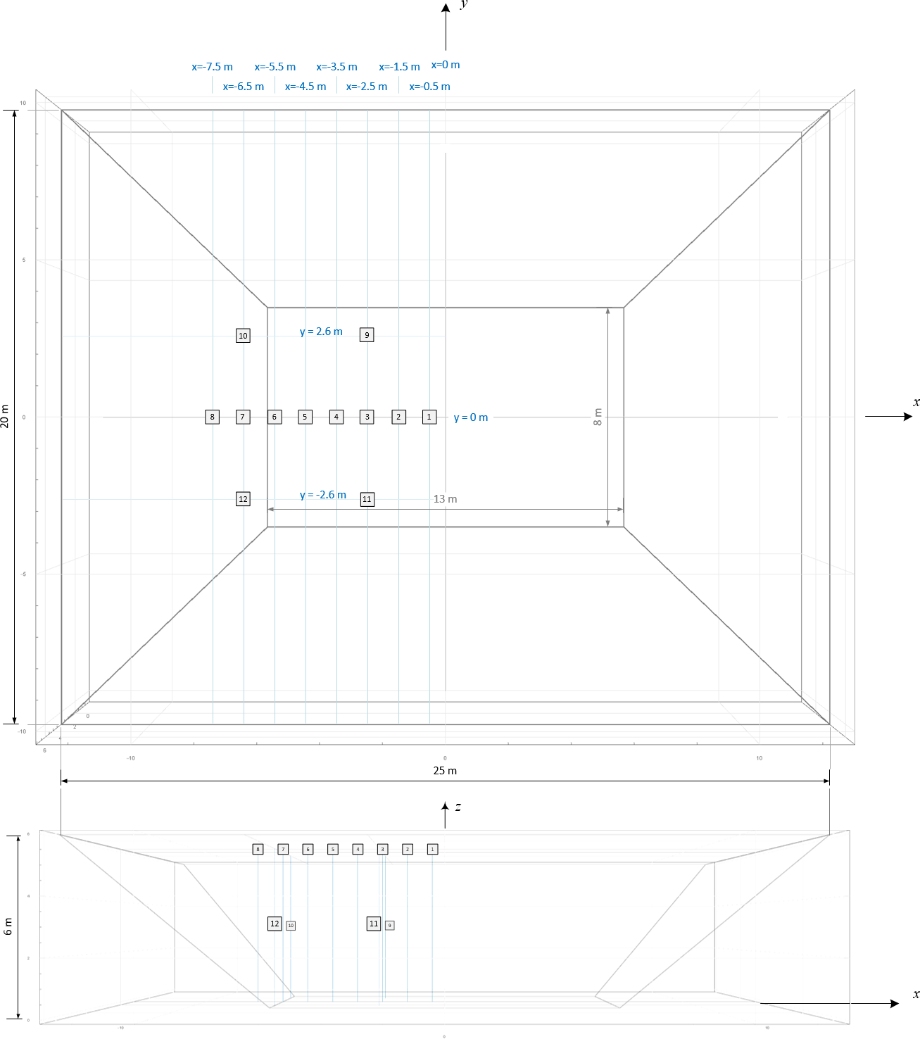

Sensor Package and Electrode Pair Locations

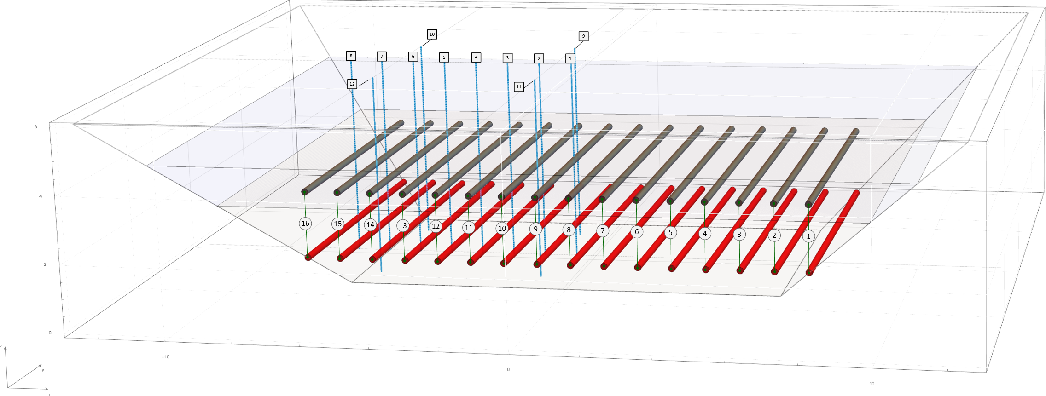

CONFIDENTIAL

Table 1
Table 1. Voltage, Current and Power Sensors (Dry Sensors)
This is Electrokinetic Solutions Inc. (EKS) Confidential Property and must not be copied , modified or retransmitted for any purpose without EKS written consent. Subject to the terms of EKS Non -Disclosure Agreement
Updated: 2-Jan-2018

The measurements in Table 1 characterize the total power required at any time over the course of treatment. This includes power used by equipment.
Note: None of the measurements in Table 1 are collected in the FFT in the test cell.
The Three-Phase Logger captures True, Apparent and Reactive power of the Three-Phase Controlled Rectifier to the FFT load.
The Power Loggers for PANEL A, PANEL B and PANEL C capture the True power used by IT equipment, the control trailer and data acquisition gear.
Items 7 and 9 in Figure 2 are ports built into the modular electrode assembly to capture the voltage and current applied to the DC-DC Function Generator.
Items 12 and 14 in Figure 2 are ports build into the modular electrode assemble to capture the voltage and current applied to an electrode pair.

CONFIDENTIAL
 |  |  |  |  | PROCESS MEASUREMENTS
Item | ADC Channels | Conceptual Wiring Diagram (Figure 1) Item | Item | Instrument | PROCESS VARIABLE(S) | DESCRIPTION | Description | Quantity | Units | Range | Resolution | LSB | Input Type | Input Impedance | Sampling Frequency | Instrument Type | Fields | SQL Type
1 | 1-3 | 4 |  | Three-Phase Power Logger | PSkW [kW] PSkWh [kWh] PSCost [$] PSkVA [kVA] PSPF Note: While the voltage and current used in treatment are DC, the utility is powering an AC Three-Phase Controlled Rectifier, that in-turn drives an electrical load that changes over the course of treatment. | PSkW is the instantaneous Real Power in kilowatts [kW] required to drive the power supply with the FFT load. PSkWh is the sum (or integration) of PSkW over time (to the nearest hour). PSCost is the utility rate per kilowatt-hour times PSkWh. The rate charged by the utility depends on the Power Factor (PSPF). PSPF is the ratio the instantaneous Real Power (PSkW) to the instantaneous Apparent Power (PSkVA). Utilities use the Power Factor to determine the rate that is charged to clients. Utilities will typically charge a higher rate per kilowatt-hour for applications where the Power Factor is less than 0.7. | Power used to drive the Three-Phase Controlled Rectifier (Figure 1 - Item 6) plus the Electrode Modules (Figure 1 - Items 29.1 to 29.12) plus the FFT load. This includes True, Apparent and Reactive Power. This is the power that the utility is supplying to the Vegreville Test Site. Note: This could be an optional specification on the Three-Phase Controlled Rectifier. *Note: While the Power Supply will be limited to 40 kW, the inputs to the Three-Phase Logger are voltages and current. | 1 | [W], [VA], [VAR] | * 0 to 600 [V] 0 to 400 [A] |  |  |  |  | To obtain an accurate characterization, this device should have a minimum sampling rate of 120 Hz. | Three-Phase Power Logger | Fields: TruePower [W] ActivePower [VA] ReactivePower [VAR] | REAL
2 | 4 | 7 |  | Power Logger for IT equipment running from PANEL A. | PNLAkW [kW] PNLAkWh [kWh] PNLACost [$] | PNLAkW is the instantaneous Real Power in kilowatts [kW] used by the IT equipment supporting the field test. PNLAkWh is the sum (or integration) of PNLAkW over time (to the nearest hour). PNLACost is the utility rate per kilowatt-hour times PNLAkWh. | Tracks daily use of power by all IT equipment attached to PANEL A. | 1 | [kW h] | 208 [VAC] 20 [A] |  |  |  |  | Minimum of 120 Hz | KWH Power Logger | Fields: PANELAkWh [kWh] | REAL
3 | 5 | 8 |  | Power Logger for the CONTROL TRAILER running from PANEL B. | PNLBkW [kW] PNLBkWh [kWh] PNLBCost [$] | PNLBkW is the instantaneous Real Power in kilowatts [kW] used by the IT equipment supporting the field test. PNLBkWh is the sum (or integration) of PNLBkW over time (to the nearest hour). PNLBCost is the utility rate per kilowatt-hour times PNLBkWh. | Tracks daily use of power by all IT equipment attached to PANEL B. | 1 | [kW h] | 208 [VAC] 20 [A] |  |  |  |  | Minimum of 120 Hz | KWH Power Logger | Fields: PANELBkWh [kWh] | REAL
4 | 6 | 9 |  | Power Logger for IT equipment running from PANEL C. | PNLCkW [kW] PNLCkWh [kWh] PNLCCost [$] | PNLCkW is the instantaneous Real Power in kilowatts [kW] used by the IT equipment supporting the field test. PNLCkWh is the sum (or integration) of PNLCkW over time (to the nearest hour). PNLCCost is the utility rate per kilowatt-hour times PNLCkWh. | Tracks daily use of power by all IT equipment attached to PANEL C. | 1 | [kW h] | 208 [VAC] 20 [A] |  |  |  |  | Minimum of 120 Hz Logged on-command or when the signal exceed a specified tolerance | KWH Power Logger | Fields: PANELCkWh [kWh] | REAL
5 | 7 - 22 | 29.1 to 29.16 | Figure 2 - Item 9 | Power Supply Applied Voltage | VIN[I] [V] Where: I = 1…16 | VIN[I] is the voltage applied to the input of the DC-DC Generator of the Ith Modular Electrode Assembly. | Input voltage applied from the power supply(s) to a DC Function Generator. | 1 for each DC-DC Generator | [V] | 0 to 600 [V] | 12-bit | 147 [mV] | Differential | ≥ 1MW | Minimum of 120 Hz Logged on-command or when the signal exceed a specified tolerance | Voltage Probe | Fields: PSVoltageIn [V] | REAL
6 | 23-38 | 29.1 to 29.16 | Figure 2- Item 7 | Power Supply Applied Current | IIN[I] [A] Where: I = 1…16 | IIN[I] is the input current [A] of the DC-DC Generator of the Ith Modular Electrode Assembly supplied by the power supply. | Current supplied by the power supply(s) to the DC Function Generator. | 1 for each DC-DC Generator | [A] | 0 to 400 [A] | 12-bit | 98 [mA] | Differential | ≥ 1MW | Minimum of 120 Hz Logged on-command or when the signal exceed a specified tolerance | Current Shunt | Fields: PSupplyCurrentIn [A] | REAL

Table 2
The pressure sensors provide us with a reliable and precise measure of the amount of consolidation and even more important, the formation of density gradients in the FFT. To obtain this insight, we must ensure that we have adequate granularity in the pressure measurement sample sites to allow us to map the density gradients. This mapping is most critical in the vicinity of the anodes. To produce this mapping we must know the precise location of each sensor relative to the anodes and each other.
(From Email of Friday, 14-Dec-2018 from Ed Hanna )
Table 2. Base Sensor Package (Packages 1 through 8)
This is Electrokinetic Solutions Inc. (EKS) Confidential Property and must not be copied , modified or retransmitted for any purpose without EKS written consent. Subject to the terms of EKS Non -Disclosure Agreement
Updated: 5-Jan-2019
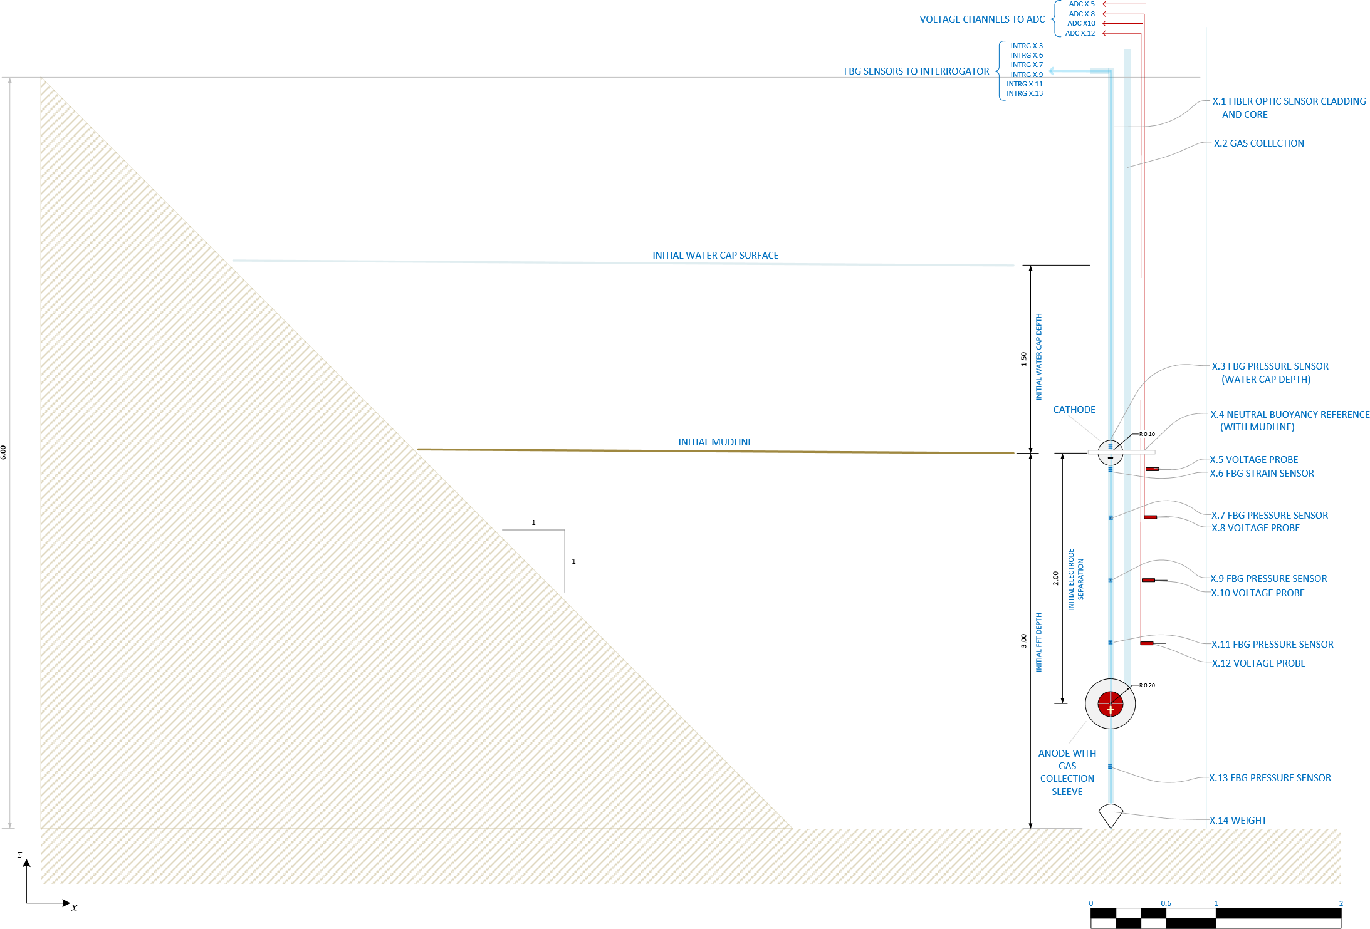
CONFIDENTIAL

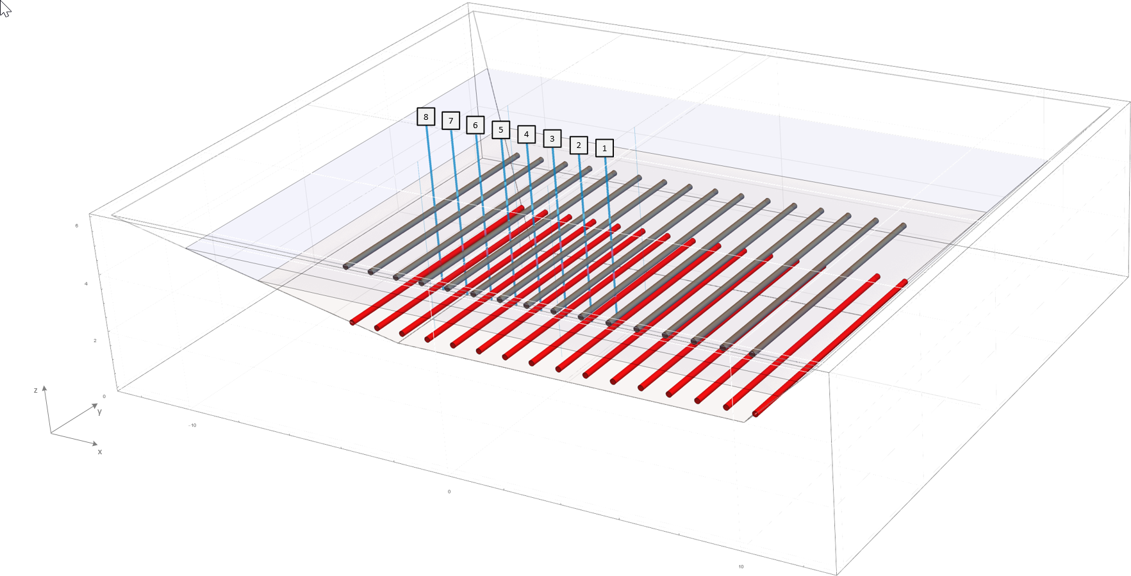

1
 |  |  |  |  |  |  |  |  |  |  |  | SENSOR PACKAGE LOCATIONS (Figure 4)
 |  |  |  |  |  |  |  |  |  |  |  | Package (X) | x [m] | y [m]
 |  |  |  |  |  |  |  |  |  |  |  |  | -0.5 | 0.0
2
 |  |  |  |  |  |  |  |  |  |  |  |  | -1.5 | 0.0
3
 |  |  |  |  |  |  |  |  |  |  |  |  | -2.5 | 0.0
4
 |  |  |  |  |  |  |  |  |  |  |  |  | -3.5 | 0.0
5
 |  |  |  |  |  |  |  |  |  |  |  |  | -4.5 | 0.0
6
 |  |  |  |  |  |  |  |  |  |  |  |  | -5.5 | 0.0
7
 |  |  |  |  |  |  |  |  |  |  |  |  | -6.5 | 0.0
8
 |  |  |  |  |  |  |  |  |  |  |  |  | -7.5 | 0.0

 |  |  | PROCESS MEASUREMENTS |  |  |  |  |  |  |  | SENSOR TO DATABASE MAPPING
FBG Sensor X identifies one of the eight sensor packages shown in Figure 4 | Measurement | Units | PROCESS VARIABLE(S) | DESCRIPTION | Sensor Range | Quantity | Resolution | Initial z [m] (Figure 4) (Will drop with the mudline) | Sampling Frequency (Software Configurable) | FBG Interrogrator/ADC Channel | SQL Table | SQL Columns | SQL Column Type
PRESSURE SENSORS
X.3 | Pressure (Water Cap) Watercap Depth | [kPa] [m] | WCAPkPa[X][03] [kPa] WCAPm[X][03] [m] Where: X = 1…8 | WCAPkPa[X][03] is the pressure reading in [kPa] from the FBG pressure sensor at the mudline for Xth sensor packages shown in Figure 4. The WCAPm[X][03] is the watercap depth in metres computed from WCAPkPa[X][03]. | 0 to 210 [kPa] | 8 | 2 pm/kPa | 3 [m] | Hourly, Daily or on-command | INTRG1.3 … INTRG8.3 | FBGMeasurements | PRESSURE1.3… PRESSURE8.3 | REAL
X.7 | Pressure (FFT) | [m] | FFTkPa[X][07] [kPa] Where: X = 1…8 | FFTkPa[X][07] is the FBG pressure sensor initially affixed to the tether 0.5 [m] below the Xth cathode (2.5 metres from the bottom). The depth of this sensor is tracked over the course of treatment using WCAPm[X][03] and Straincmpercm[X][06]. | 0 to 210 [kPa] | 8 | 2 pm/kPa | 2.5 [m] | Hourly, Daily or on-command | INTRG1.3 … INTRG8.3 | FBGMeasurements | PRESSURE1.7… PRESSURE8.7 | REAL
X.9 | Pressure (FFT) | [m] | FFTkPa[X][09] [kPa] Where: X = 1…8 | FFTkPa[X][09] is the FBG pressure sensor initially affixed to the tether 1.0 [m] below the Xth cathode (2.0 metres from the bottom). The depth of this sensor is tracked over the course of treatment using WCAPm[X][03] and Straincmpercm06[X][06]. | 0 to 210 [kPa] | 8 | 2 pm/kPa | 2.0 [m] | Hourly, Daily or on-command | INTRG1.3 … INTRG8.3 | FBGMeasurements | PRESSURE1.9… PRESSURE8.9 | REAL
X.11 | Pressure (FFT) | [m] | FFTkPa[X][11] [kPa] Where: X = 1…8 | FFTkPa[X][11] is the FBG pressure sensor initially affixed to the tether 1.5 [m] below the Xth cathode (1.5 metres from the bottom). The depth of this sensor is tracked over the course of treatment using WCAPm[X][03] and Straincmpercm[X][06]. | 0 to 210 [kPa] | 8 | 2 pm/kPa | 1.5 [m] | Hourly, Daily or on-command | INTRG1.3 … INTRG8.3 | FBGMeasurements | PRESSURE1.11… PRESSURE8.11 | REAL
X.13 | Pressure (FFT) | [m] | FFTkPa[X][13] [kPa] Where: X = 1…8 | FFTkPa[X][13]is the FBG pressure sensor initially affixed to the tether 0.5 [m] below the Xth anode. The depth of this sensor is tracked over the course of treatment using WCAPm[X][03] and Straincmpercm[X][06]. | 0 to 210 [kPa] | 8 | 2 pm/kPa | 0.5 [m] | Hourly, Daily or on-command | INTRG1.3 … INTRG8.3 | FBGMeasurements | PRESSURE1.13… PRESSURE8.13 | REAL
STRAIN SENSORS
X.6 | Strain | [cm/cm] | Straincmpercm[X][06] [cm/cm] Where: X = 1…8 | The Straincmpercm[X][06]sensor measures the e=DL /L [cm/cm] between the Neutral Buoyancy Reference (X.4 in Figure 4) and the instrumentation tether. In the initial stages of treatment, the anode and cathode will both sink at approximately the same rate. During this period changes in the mudline height and sensor location offsets are determined by the Watercap Pressure Sensor through WCAPm[X][03]. Due to the proximity to the anode and the weight of the overlying FFT and Water Cap, the FFT near the anode will densify more quickly than the FFT near the cathode. As the FFT near the anode densifies, the downward movement of the anode will slow and cease and the cathodes will continue to drop with the mudline over the course of treatment. When the anodes stop moving, the initial tension between the neutral buoyancy float and the instrumentation tether will begin to drop. As L is a fixed value, DL=eL [cm] may be used to track the approximate depth of each pressure and voltage sensor affixed to the instrumentation tether. | Max(DL )=200 [cm] | 8 |  | 2.9 [m] | Hourly, Daily or on-command | INTRG1.3 … INTRG8.3 | FBGMeasurements | STRAIN1.3 … STRAIN8.3 | REAL
VOLTAGE SENSORS
X.5 | Voltage | [V] | FFTVoltage[X][05] [V] Where: X = 1…8 | FFTVoltageV[X][05] is the ADC voltage sensor initially affixed to the instrumentation tether of the Xth sensor package immediately below the neutral buoyancy float. The depth of this sensor is tracked over the course of treatment using WCAPm[X][03] and Straincmpercm[X][06]. | ± 300 [V] | 8 | 14-bit | 2.9 [m] | Hourly, Daily or on-command | ADC1.5 … ADC8.5 | ADCVoltage | FFTVOLTAGE1.5 … FFTVOLTAGE8.5 | REAL
X.8 | Voltage | [V] | FFTVoltageV[X][08][V] Where: X = 1…8 | FFTVoltageV[X][08] is the ADC voltage sensor initially affixed the tether of the Xth sensor package 0.5 metres from the cathode (2.5 metres above the bottom). The depth of this sensor is tracked over the course of treatment using WCAPm[X][03] and Straincmpercm[X][06]. | ± 300 [V] | 8 | 14-bit | 2.5 [m] | Hourly, Daily or on-command | ADC1.8 … ADC8.8 | ADCVoltage | FFTVOLTAGE1.8 … FFTVOLTAGE8.8 | REAL
X.10 | Voltage | [V] | FFTVoltageV[X][10][V] Where: X = 1…8 | FFTVoltageV[X][10] is the ADC voltage sensor initially affixed to the instrumentation tether of the Xth sensor package 1.0 metres below the cathode (2.0 metres above the bottom). The depth of this sensor is tracked over the course of treatment using WCAPm[X][03] and Straincmpercm[X][06]. | ± 300 [V] | 8 | 14-bit | 2.0 [m] | Hourly, Daily or on-command | ADC1.10 … ADC8.10 | ADCVoltage | FFTVOLTAGE1.10 … FFTVOLTAGE8.10 | REAL
X.12 | Voltage | [V] | FFTVoltageV[X][12][V] Where: X = 1…8 | FFTVoltageV[X][12] is the ADC voltage sensor initially affixed to the instrumentation tether of the Xth sensor package 1.5 metres below the cathode. The depth of this sensor is tracked over the course of treatment using WCAPm[X][03] and Straincmcm[X][06]. | ± 300 [V] | 8 | 14-bit | 1.5 [m] | Hourly, Daily or on-command | ADC1.12 … ADC8.12 | ADCVoltage | FFTVOLTAGE1.12 … FFTVOLTAGE8.12 | REAL

Table 3
The pressure sensors provide us with a reliable and precise measure of the amount of consolidation and even more important, the formation of density gradients in the FFT. To obtain this insight, we must ensure that we have adequate granularity in the pressure measurement sample sites to allow us to map the density gradients. This mapping is most critical in the vicinity of the anodes. To produce this mapping we must know the precise location of each sensor relative to the anodes and each other.
(From Email of Friday, 14-Dec-2018 from Ed Hanna )
Table 3. Base Sensor Package (Packages 9 through 12)
This is Electrokinetic Solutions Inc. (EKS) Confidential Property and must not be copied , modified or retransmitted for any purpose without EKS written consent. Subject to the terms of EKS Non -Disclosure Agreement
Updated: 30-Dec-2018
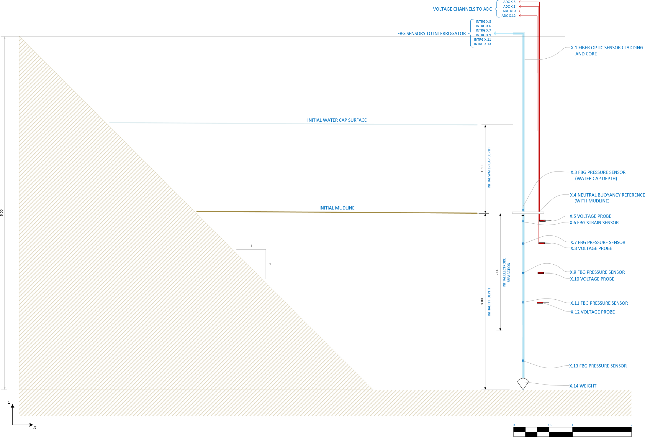
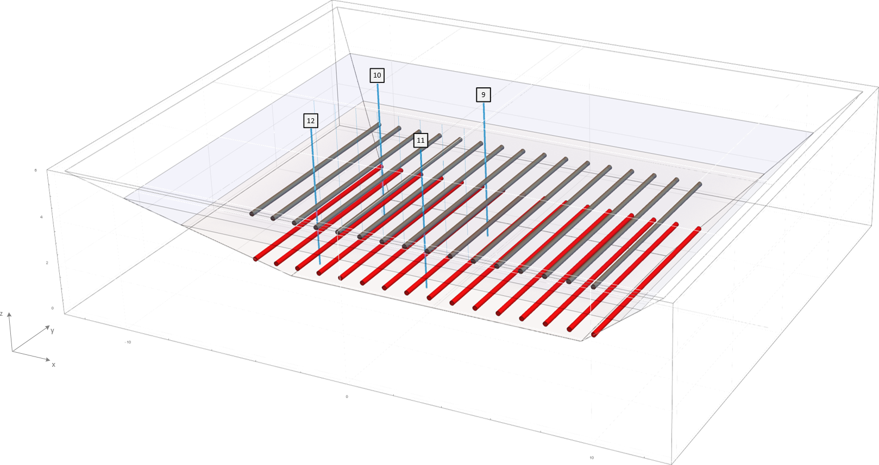
CONFIDENTIAL

9
 |  |  |  |  |  |  |  |  |  |  |  | SENSOR PACKAGE LOCATIONS (Figure 5)
 |  |  |  |  |  |  |  |  |  |  |  | Package (X) | x [m] | y [m]
 |  |  |  |  |  |  |  |  |  |  |  |  | -1.0 | 2.6
10
 |  |  |  |  |  |  |  |  |  |  |  |  | 6.0 | 2.6
11
 |  |  |  |  |  |  |  |  |  |  |  |  | -1.0 | -2.6
12
 |  |  |  |  |  |  |  |  |  |  |  |  | 6.0 | -2.6

 |  |  | PROCESS MEASUREMENTS |  |  |  |  |  |  |  | SENSOR TO DATABASE MAPPING
FBG Sensor X identifies one of the four sensor packages shown in Figure 5 | Measurement | Units | PROCESS VARIABLE(S) | DESCRIPTION | Sensor Range | Quantity | Resolution | Initial z [m] (Figure 5) (Will drop with the mudline) | Sampling Frequency (Software Configurable) | FBG Interrogrator/ADC Channel | SQL Table | SQL Columns | SQL Column Type
PRESSURE SENSORS
X.3 | Pressure (Water Cap) Watercap Depth | [kPa] [m] | WCAPkPa[X][03] [kPa] WCAPm[X][03] [m] Where: X = 9…12 | WCAPkPa[X][03] is the pressure reading in [kPa] from the FBG pressure sensor at the mudline for Xth sensor packages shown in Figure 4. The WCAPm[X][03] is the watercap depth in metres computed from WCAPkPa[X][03]. | 0 to 210 [kPa] | 4 | 2 pm/kPa | 3 [m] | Hourly, Daily or on-command | INTRG9.3 … INTRG12.3 | FBGMeasurements | PRESSURE9.3… PRESSURE12.3 | REAL
X.7 | Pressure (FFT) | [m] | FFTkPa[X][07] [kPa] Where: X = 9…12 | FFTkPa[X][07] is the FBG pressure sensor initially affixed to the tether 0.5 [m] below the Xth cathode (2.5 metres from the bottom). The depth of this sensor is tracked over the course of treatment using WCAPm[X][03] and Straincmpercm[X][06]. | 0 to 210 [kPa] | 4 | 2 pm/kPa | 2.5 [m] | Hourly, Daily or on-command | INTRG9.3 … INTRG12.3 | FBGMeasurements | PRESSURE9.7… PRESSURE12.7 | REAL
X.9 | Pressure (FFT) | [m] | FFTkPa[X][09] [kPa] Where: X = 9…12 | FFTkPa[X][09] is the FBG pressure sensor initially affixed to the tether 1.0 [m] below the Xth cathode (2.0 metres from the bottom). The depth of this sensor is tracked over the course of treatment using WCAPm[X][03] and Straincmpercm06[X][06]. | 0 to 210 [kPa] | 4 | 2 pm/kPa | 2.0 [m] | Hourly, Daily or on-command | INTRG9.3 … INTRG12.3 | FBGMeasurements | PRESSURE9.9… PRESSURE12.9 | REAL
X.11 | Pressure (FFT) | [m] | FFTkPa[X][11] [kPa] Where: X = 9…12 | FFTkPa[X][11] is the FBG pressure sensor initially affixed to the tether 1.5 [m] below the Xth cathode (1.5 metres from the bottom). The depth of this sensor is tracked over the course of treatment using WCAPm[X][03] and Straincmpercm[X][06]. | 0 to 210 [kPa] | 4 | 2 pm/kPa | 1.5 [m] | Hourly, Daily or on-command | INTRG9.3 … INTRG12.3 | FBGMeasurements | PRESSURE9.11… PRESSURE12.11 | REAL
X.13 | Pressure (FFT) | [m] | FFTkPa[X][13] [kPa] Where: X = 9…12 | FFTkPa[X][13]is the FBG pressure sensor initially affixed to the tether 0.5 [m] below the Xth anode. The depth of this sensor is tracked over the course of treatment using WCAPm[X][03] and Straincmpercm[X][06]. | 0 to 210 [kPa] | 4 | 2 pm/kPa | 0.5 [m] | Hourly, Daily or on-command | INTRG9.3 … INTRG12.3 | FBGMeasurements | PRESSURE9.13… PRESSURE12.13 | REAL
STRAIN SENSORS
X.6 | Strain | [cm/cm] | Straincmpercm[X][06] [cm/cm] Where: X = 9…12 | The Straincmpercm[X][06]sensor measures the e=DL /L [cm/cm] between the Neutral Buoyancy Reference (X.4 in Figure 4) and the instrumentation tether. In the initial stages of treatment, the anode and cathode will both sink at approximately the same rate. During this period changes in the mudline height and sensor location offsets are determined by the Watercap Pressure Sensor through WCAPm[X][03]. Due to the proximity to the anode and the weight of the overlying FFT and Water Cap, the FFT near the anode will densify more quickly than the FFT near the cathode. As the FFT near the anode densifies, the downward movement of the anode will slow and cease and the cathodes will continue to drop with the mudline over the course of treatment. When the anodes stop moving, the initial tension between the neutral buoyancy float and the instrumentation tether will begin to drop. As L is a fixed value, DL=eL [cm] may be used to track the approximate depth of each pressure and voltage sensor affixed to the instrumentation tether. | Max(DL )=200 [cm] | 4 |  | 2.9 [m] | Hourly, Daily or on-command | INTRG9.3 … INTRG12.3 | FBGMeasurements | STRAIN9.3 … STRAIN12.3 | REAL
VOLTAGE SENSORS
X.5 | Voltage | [V] | FFTVoltage[X][05] [V] Where: X = 9…12 | FFTVoltageV[X][05] is the ADC voltage sensor initially affixed to the instrumentation tether of the Xth sensor package immediately below the neutral buoyancy float. The depth of this sensor is tracked over the course of treatment using WCAPm[X][03] and Straincmpercm[X][06]. | ± 300 [V] | 4 | 14-bit | 2.9 [m] | Hourly, Daily or on-command | ADC9.5 … ADC12.5 | ADCVoltage | FFTVOLTAGE9.5 … FFTVOLTAGE12.5 | REAL
X.8 | Voltage | [V] | FFTVoltageV[X][08][V] Where: X = 9…12 | FFTVoltageV[X][08] is the ADC voltage sensor initially affixed the tether of the Xth sensor package 0.5 metres from the cathode (2.5 metres above the bottom). The depth of this sensor is tracked over the course of treatment using WCAPm[X][03] and Straincmpercm[X][06]. | ± 300 [V] | 4 | 14-bit | 2.5 [m] | Hourly, Daily or on-command | ADC9.8 … ADC12.8 | ADCVoltage | FFTVOLTAGE9.8 … FFTVOLTAGE12.8 | REAL
X.10 | Voltage | [V] | FFTVoltageV[X][10][V] Where: X = 9…12 | FFTVoltageV[X][10] is the ADC voltage sensor initially affixed to the instrumentation tether of the Xth sensor package 1.0 metres below the cathode (2.0 metres above the bottom). The depth of this sensor is tracked over the course of treatment using WCAPm[X][03] and Straincmpercm[X][06]. | ± 300 [V] | 4 | 14-bit | 2.0 [m] | Hourly, Daily or on-command | ADC9.10 … ADC12.10 | ADCVoltage | FFTVOLTAGE9.10 … FFTVOLTAGE12.10 | REAL
X.12 | Voltage | [V] | FFTVoltageV[X][12][V] Where: X = 9…12 | FFTVoltageV[X][12] is the ADC voltage sensor initially affixed to the instrumentation tether of the Xth sensor package 1.5 metres below the cathode. The depth of this sensor is tracked over the course of treatment using WCAPm[X][03] and Straincmcm[X][06]. | ± 300 [V] | 4 | 14-bit | 1.5 [m] | Hourly, Daily or on-command | ADC9.12 … ADC12.12 | ADCVoltage | FFTVOLTAGE9.12 … FFTVOLTAGE12.12 | REAL

